SP02-03
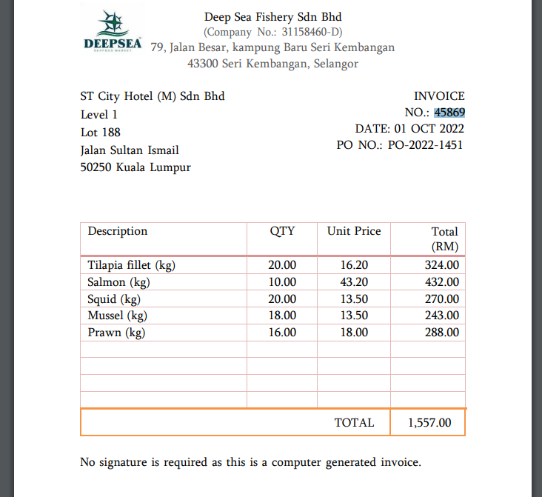
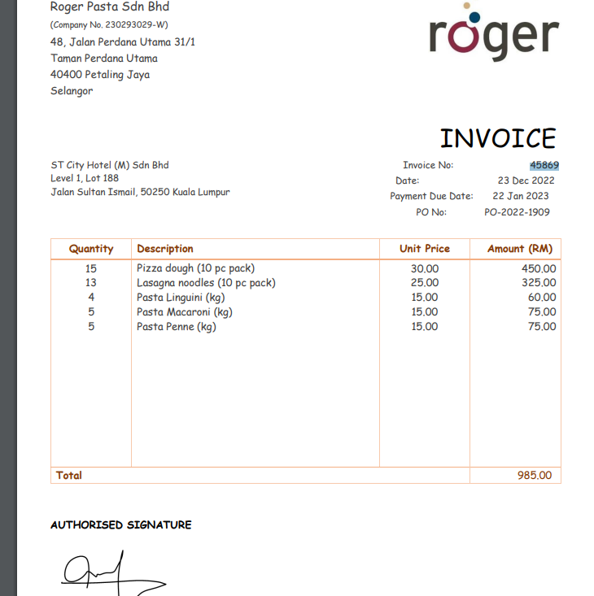
ST CITY HOTEL (M) SDN BHD |  |  |  |  | Reference No: | SP02-03
FINAL AUDIT FOR THE FINANCIAL YEAR END 31 DECEMBER 2022 |  |  |  |  | Prepared by : | Arman
PURCHASE EVIDENCE |  |  |  |  | Prepared date : | 16/6/23

NOTES:

N1 | On 29 march there is and same invoice number 56655 debited the amount of RM 5206.20 in Bio Hygiene general ledger .
 | moving forward , on 30 March the amount has been set off by crediting RM 12804.20 .
 | after we extend our investigation it has been prove that the amount of RM 5206.20 is invoice from ENC Sdn Bhd which have the similar purchase invoice number .
 | further investigation should be undertake by ST City Hotel in managing this error , this could lead to one of the supplier ledger being overstated and understated .
 | if amendment is appropriate then SP Hotel should be advise to so .

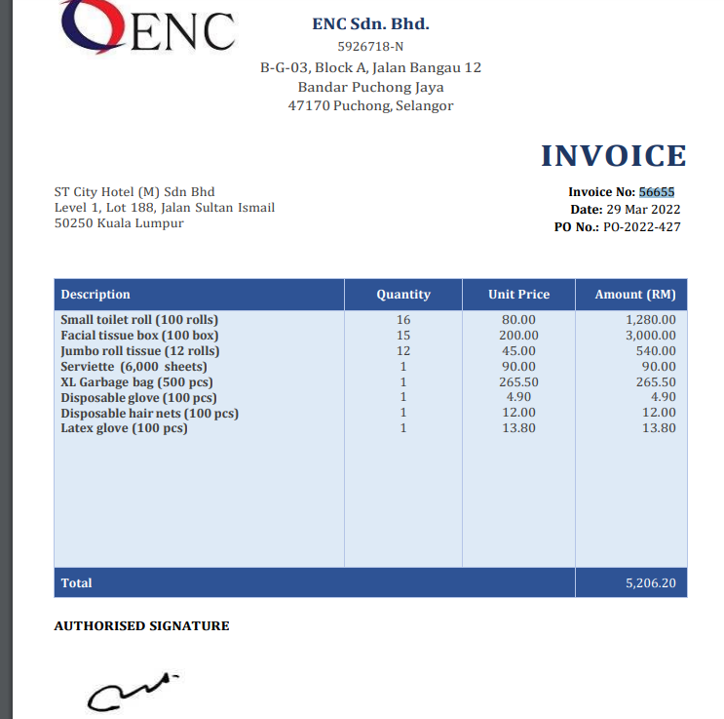
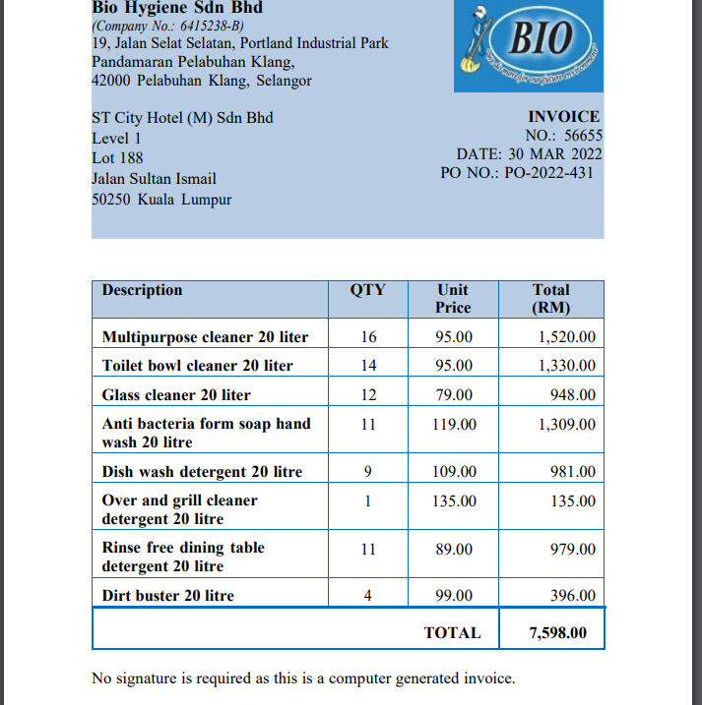

 | Audit Adjustments | Dr | Cr
 | Bio Hygiene Sdn Bhd | 5206.2
 | ENC Sdn Bhd |  | 5206.2
 | (the amount is incorrectly recorded in different supplier)

N2 | All of this invoice have the same error which is the sales tax of 5% was only been charge to certain item instead the whole total amount of the invoice .
N3 | Eventhough the invoice is been generated from your supplier , but this also increase the risk of your company to be charge if tax authority find out this error .
N4 | if adjustment been made regarding this error so the amount should also been amend in the general ledger .

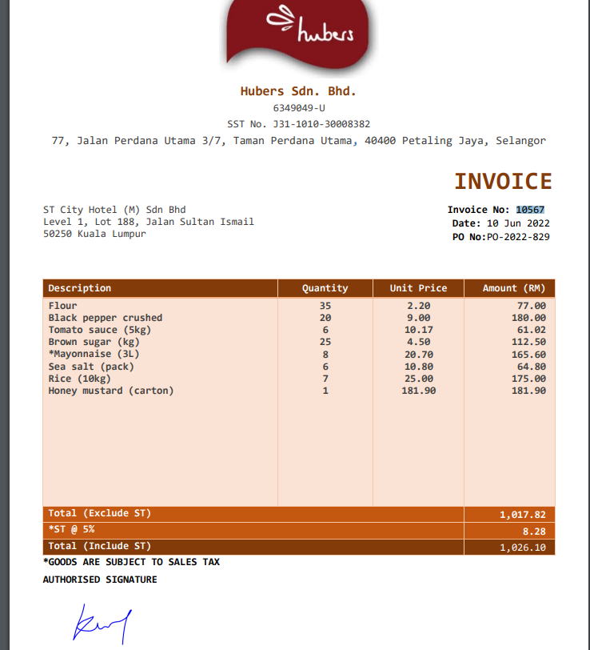
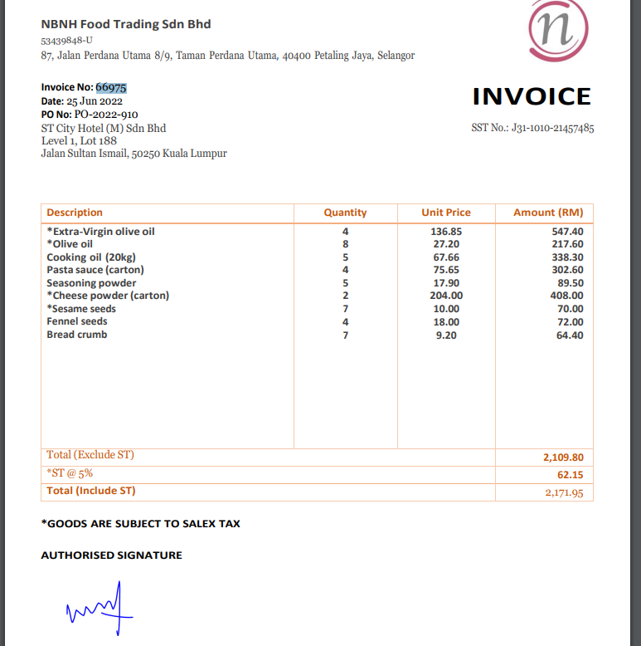
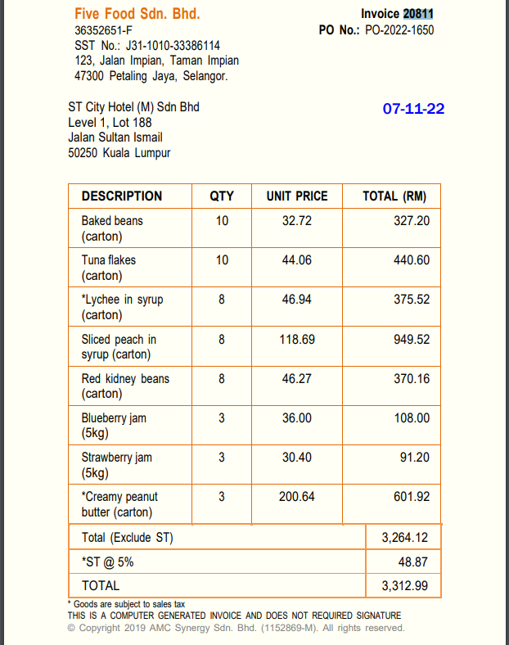
 | Error amount | Adjustment | Adjusted amount | Variance

 | 8.28 | RM 1017.82 x 5% | 50.9 | 42.62
 | 62.15 | RM 2109.80 x 5% | 105.5 | 43.35
 | 48.87 | RM 3264.12 x5% | 163.21 | 114.34
 |  |  | TOTAL | 200.31

N5 | On 20 dec 2022 RM 6648.90 is recorded in the debit side instead of the credit side in the trade payables ledger
 | however on 21 dec 2022 an amount of RM 15084.90 is recorded on the debit side offsetting the amount of RM 6648.90
 | and leave a balance of RM 8436.00 on credit side which is the correct amount for BIo Hygiene Sdn Bhd

 | this will result in the company recording the amount incorrectly within the payables ledger
 | However this error does not affect the total balances in genereal ledger which will have no impact to financial statment .

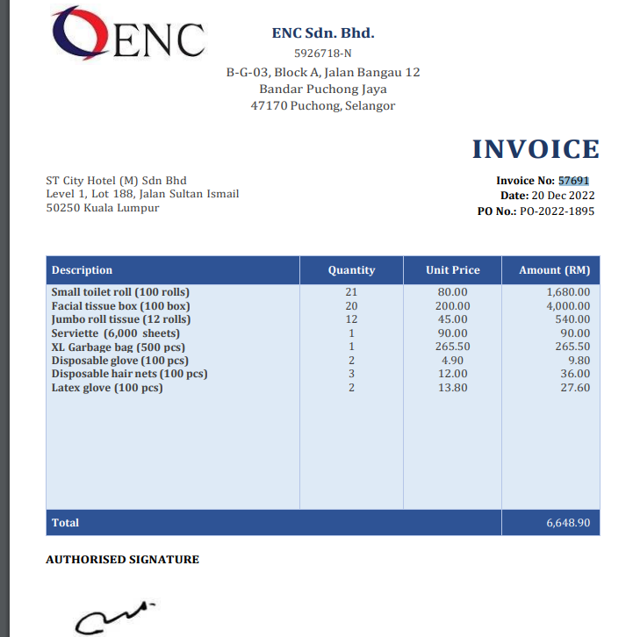
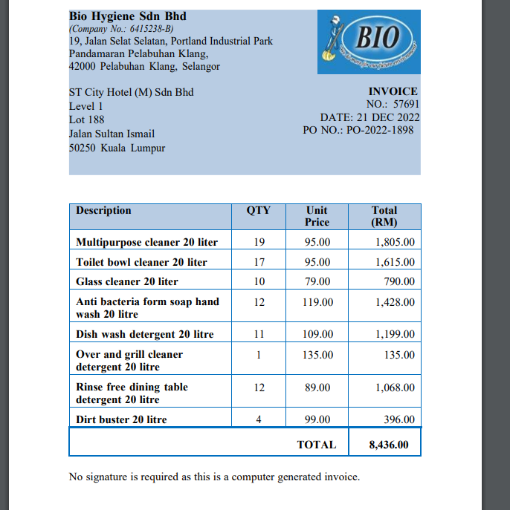

 | Audit Adjustments | Dr | Cr
 | Bio Hygiene Sdn Bhd | 6648.9
 | ENC Sdn Bhd |  | 6648.9
 | the amount is incorrectly recorded in different supplier)

N6 | the invoice number for Roger Pasta in general ledger is repeated and same as the invoice number for Deep Sea Fishery Sdn Bhd .
 | however the amount recorded is both correct in the general ledger .

